MI
CR | MI (area corrected) | MI range (area corrected) | Check for file | MI (not area corrected) | MI range (not area corrected) | Check for file
arp8 | 0.49275845865 | 0.00071020118845 |  | 0.45371844497 | 0.00082915148081 | export_JL2021-04-22__E2.0003.mqd.csv
arp8 | 0.81067082514 | 0.00099699126769 |  | 0.63173420048 | 0.001032764369 | export_JL2021-04-22__F2.0003.mqd.csv
arp8 | 0.83844188491 | 0.00092074435864 |  | 0.7126484207 | 0.00072463819034 | export_JL2021-04-22__G2.0003.mqd.csv
arp8 | 0.95373212727 | 0.0022676420023 |  | 0.88765787484 | 0.00033085415925 | export_JL2021-04-22__H2.0003.mqd.csv
PWM
arp8 | 0.49275845865
arp8 | 0.81067082514
arp8 | 0.83844188491
arp8 | 0.95373212727
caf4 | 0.027390846871
caf4 | 0.087848762178
caf4 | 0.023843670503
caf4 | 0.024563629016
caf40 | 0.30168238846
caf40 | 0.79045310793
caf40 | 0.84069823994
caf40 | 1.0240128943
cdc73 | 1.0330874479
cdc73 | 1.0931780528
cdc73 | 1.1179574582
cdc73 | 1.2109932453
chz1 | 0.0096472762598
chz1 | 0.025107262074
chz1 | 0.04893134106
chz1 | 0.022097853459
ecm5 | 0.84414974918
ecm5 | 1.0098319957
ecm5 | 0.93176467642
ecm5 | 1.2400441436
gcn5 | 0.66047033231
gcn5 | 0.68162940721
gcn5 | 0.79605049415
gcn5 | 0.95083003407
hda3 | 0.056070254645
hda3 | 0.02226208286
hda3 | 0.052712757676
hda3 | 0.016543850839
hir2 | 0.0090575024314
hir2 | 0.035034720719
hir2 | 0.024248632014
hir2 | 0.024369448649
htz1 | 0.47003172545
htz1 | 0.8051873364
htz1 | 0.91727907833
htz1 | 0.87486450273
ies4 | 0.46050958396
ies4 | 0.48337081184
ies4 | 0.45194973135
ies4 | 0.89663027245
ino80 | 0.048020012533
ino80 | 0.016723326055
ino80 | 0.027622868548
ino80 | 0.011287705647
JY145 | 0.80315434021
JY145 | 0.83280707154
...
caf4 | 0.027390846871 | 0.0055817816623 | export_JL2021-04-21__C8.0003.mqd.csv | 0.016523857496 | 0.0017820084225 | export_JL2021-04-21__C8.0003.mqd.csv
caf4 | 0.087848762178 | 0.0068270643808 | export_JL2021-04-21__B8.0003.mqd.csv | 0.016939559145 | 0.0027019696606 | export_JL2021-04-21__B8.0003.mqd.csv
caf4 | 0.023843670503 | 0.0055428611243 | export_JL2021-04-21__D8.0003.mqd.csv | 0.029860070264 | 0.004470352015 | export_JL2021-04-21__D8.0003.mqd.csv
caf4 | 0.024563629016 | 0.0029350099801 | export_JL2021-04-21__A8.0003.mqd.csv | 0.037646423685 | 0.0011837750741 | export_JL2021-04-21__A8.0003.mqd.csv
caf40 | 0.30168238846 | 0.00065083788617 | export_JL2021-04-22__B1.0002.mqd.csv | 0.2987771502 | 0.00055500813437 | export_JL2021-04-22__B1.0002.mqd.csv
caf40 | 0.79045310793 | 0.00082575412472 | export_JL2021-04-22__A1.0002.mqd.csv | 0.7269939192 | 0.00065469567862 | export_JL2021-04-22__A1.0002.mqd.csv
caf40 | 0.84069823994 | 0.00088874953157 | export_JL2021-04-22__C1.0002.mqd.csv | 0.81358512428 | 0.00041948066698 | export_JL2021-04-22__C1.0002.mqd.csv
caf40 | 1.0240128943 | 0.0025883030801 | export_JL2021-04-22__D1.0002.mqd.csv | 0.92276333604 | 0.0002922058574 | export_JL2021-04-22__D1.0002.mqd.csv
cdc73 | 1.0330874479 | 0.0021154278823 | export_JL2021-04-21__A10.0003.mqd.csv | 0.95832669124 | 0.00036487234521 | export_JL2021-04-21__A10.0003.mqd.csv
cdc73 | 1.0931780528 | 0.0020192528337 | export_JL2021-04-21__C10.0003.mqd.csv | 0.96992991989 | 0.00050159716766 | export_JL2021-04-21__C10.0003.mqd.csv
cdc73 | 1.1179574582 | 0.0024508797529 | export_JL2021-04-21__B10.0003.mqd.csv | 0.99773378577 | 0.00029779263752 | export_JL2021-04-21__B10.0003.mqd.csv
cdc73 | 1.2109932453 | 0.0024989763419 | export_JL2021-04-21__D10.0003.mqd.csv | 1.0565106879 | 0.00042581794535 | export_JL2021-04-21__D10.0003.mqd.csv
chz1 | 0.0096472762598 | 0.00022895599159 | export_JL2021-04-21__D6.0003.mqd.csv | 0.0065865834928 | 0.0030728324802 | export_JL2021-04-21__D6.0003.mqd.csv
chz1 | 0.025107262074 | 0.00054322297504 | export_JL2021-04-21__C6.0003.mqd.csv | 0.012262094426 | 0.0082650079435 | export_JL2021-04-21__C6.0003.mqd.csv
chz1 | 0.04893134106 | 0.00042783802096 | export_JL2021-04-21__A6.0003.mqd.csv | 0.016585648956 | 0.0030430625424 | export_JL2021-04-21__A6.0003.mqd.csv
chz1 | 0.022097853459 | 0.00028005062384 | export_JL2021-04-21__B6.0003.mqd.csv | 0.018545687884 | 0.0039372338559 | export_JL2021-04-21__B6.0003.mqd.csv
ecm5 | 0.84414974918 | 0.0012626826595 | export_JL2021-04-22__C11.0002.mqd.csv | 0.75843388763 | 0.00055487388813 | export_JL2021-04-22__C11.0002.mqd.csv
ecm5 | 1.0098319957 | 0.001844063169 | export_JL2021-04-22__B11.0002.mqd.csv | 0.7596733448 | 0.00046951358418 | export_JL2021-04-22__B11.0002.mqd.csv
ecm5 | 0.93176467642 | 0.0016279986643 | export_JL2021-04-22__A11.0002.mqd.csv | 0.78286126673 | 0.00064927395152 | export_JL2021-04-22__A11.0002.mqd.csv
ecm5 | 1.2400441436 | 0.0019247158668 | export_JL2021-04-22__D11.0002.mqd.csv | 0.92497516953 | 0.00050901186065 | export_JL2021-04-22__D11.0002.mqd.csv
gcn5 | 0.66047033231 | 0.0013981557306 | export_JL2021-04-22__A12.0002.mqd.csv | 0.56356729604 | 0.0003992528964 | export_JL2021-04-22__A12.0002.mqd.csv
gcn5 | 0.68162940721 | 0.00084052375925 | export_JL2021-04-22__B12.0002.mqd.csv | 0.67793011801 | 0.00030622522848 | export_JL2021-04-22__B12.0002.mqd.csv
gcn5 | 0.79605049415 | 0.0008265731281 | export_JL2021-04-22__C12.0002.mqd.csv | 0.77456365008 | 0.00041720309969 | export_JL2021-04-22__C12.0002.mqd.csv
gcn5 | 0.95083003407 | 0.0016679050698 | export_JL2021-04-22__D12.0002.mqd.csv | 0.86156022284 | 0.00048646456135 | export_JL2021-04-22__D12.0002.mqd.csv
hda3 | 0.056070254645 | 0.00063858580688 | export_JL2021-04-22__C3.0003.mqd.csv | 0.015666317362 | 0.0029499672654 | export_JL2021-04-22__C3.0003.mqd.csv
hda3 | 0.02226208286 | 0.00027575636671 | export_JL2021-04-22__B3.0003.mqd.csv | 0.020911822704 | 0.0025549801933 | export_JL2021-04-22__B3.0003.mqd.csv
hda3 | 0.052712757676 | 0.0005365374287 | export_JL2021-04-22__D3.0003.mqd.csv | 0.028222782379 | 0.0019271993612 | export_JL2021-04-22__D3.0003.mqd.csv
hda3 | 0.016543850839 | 0.00029321834279 | export_JL2021-04-22__A3.0003.mqd.csv | 0.036797612212 | 0.0042174109066 | export_JL2021-04-22__A3.0003.mqd.csv
hir2 | 0.0090575024314 | 0.00021636341014 | export_JL2021-04-22__B9.0003.mqd.csv | 0.055114897789 | 0.0083938403756 | export_JL2021-04-22__B9.0003.mqd.csv
hir2 | 0.035034720719 | 0.00035752436832 | export_JL2021-04-22__D9.0003.mqd.csv | 0.066714614 | 0.0049657572543 | export_JL2021-04-22__D9.0003.mqd.csv
hir2 | 0.024248632014 | 0.00034202730569 | export_JL2021-04-22__A9.0003.mqd.csv | 0.066768920677 | 0.0071939699458 | export_JL2021-04-22__A9.0003.mqd.csv
hir2 | 0.024369448649 | 0.00047333503997 | export_JL2021-04-22__C9.0003.mqd.csv | 0.072750190111 | 0.0055623819932 | export_JL2021-04-22__C9.0003.mqd.csv
htz1 | 0.47003172545 | 0.00079959617696 | export_JL2021-04-22__A5.0003.mqd.csv | 0.45572657389 | 0.00066182457265 | export_JL2021-04-22__A5.0003.mqd.csv
htz1 | 0.8051873364 | 0.0013676173551 | export_JL2021-04-22__B5.0003.mqd.csv | 0.76825962904 | 0.00044183738548 | export_JL2021-04-22__B5.0003.mqd.csv
htz1 | 0.91727907833 | 0.0019313341782 | export_JL2021-04-22__C5.0003.mqd.csv | 0.8639419 | 0.00055281799814 | export_JL2021-04-22__C5.0003.mqd.csv
htz1 | 0.87486450273 | 0.0020231153865 | export_JL2021-04-22__D5.0003.mqd.csv | 0.87576614561 | 0.00054230455822 | export_JL2021-04-22__D5.0003.mqd.csv
ies4 | 0.46050958396 | 0.001458323283 | export_JL2021-04-22__A2.0003.mqd.csv | 0.57989771644 | 0.0011658370627 | export_JL2021-04-22__A2.0003.mqd.csv
ies4 | 0.48337081184 | 0.0013616204801 | export_JL2021-04-22__B2.0003.mqd.csv | 0.65749978806 | 0.0005343908071 | export_JL2021-04-22__B2.0003.mqd.csv
ies4 | 0.45194973135 | 0.001962669051 | export_JL2021-04-22__C2.0003.mqd.csv | 0.69614081775 | 0.00089730453497 | export_JL2021-04-22__C2.0003.mqd.csv
ies4 | 0.89663027245 | 0.002066384255 | export_JL2021-04-22__D2.0003.mqd.csv | 0.90832053988 | 0.00080786835816 | export_JL2021-04-22__D2.0003.mqd.csv
ino80 | 0.048020012533 | 0.00042771603381 | export_JL2021-04-22__C10.0003.mqd.csv | 0.081734639607 | 0.0084303245893 | export_JL2021-04-22__C10.0003.mqd.csv
ino80 | 0.016723326055 | 0.00041003857077 | export_JL2021-04-22__B10.0003.mqd.csv | 0.085859383547 | 0.016086874618 | export_JL2021-04-22__B10.0003.mqd.csv
ino80 | 0.027622868548 | 0.00052359372214 | export_JL2021-04-22__D10.0003.mqd.csv | 0.094837860881 | 0.0096509893569 | export_JL2021-04-22__D10.0003.mqd.csv
ino80 | 0.011287705647 | 0.00036500723103 | export_JL2021-04-22__A10.0003.mqd.csv | 0.17035393841 | 0.010949577019 | export_JL2021-04-22__A10.0003.mqd.csv
JY145 | 0.80315434021 | 0.00061254151059 | export_JL2021-04-22__G3.0003.mqd.csv | 0.7127021561 | 0.00069638630433 | export_JL2021-04-22__G3.0003.mqd.csv
JY145 | 0.83280707154 | 0.0012556704989 | export_JL2021-04-21__F1.0002.mqd.csv | 0.72233252085 | 0.00067634167044 | export_JL2021-04-21__F1.0002.mqd.csv
JY145 | 0.90291847137 | 0.0017288975849 | export_JL2021-04-21__E1.0002.mqd.csv | 0.76763259925 | 0.00052117424156 | export_JL2021-04-21__E1.0002.mqd.csv
JY145 | 0.79278444922 | 0.0005450459767 | export_JL2021-04-22__F3.0003.mqd.csv | 0.77053618919 | 0.00045252870297 | export_JL2021-04-22__F3.0003.mqd.csv
JY145 | 0.98937826774 | 0.0024877885025 | export_JL2021-04-21__H1.0002.mqd.csv | 0.7823459589 | 0.00044585205323 | export_JL2021-04-21__H1.0002.mqd.csv
JY145 | 0.83926743483 | 0.00056876587156 | export_JL2021-04-22__E3.0003.mqd.csv | 0.79813714982 | 0.00067401661229 | export_JL2021-04-22__E3.0003.mqd.csv
JY145 | 0.9287328176 | 0.00043219480759 | export_JL2021-04-22__H3.0003.mqd.csv | 0.86483358886 | 0.00053406651006 | export_JL2021-04-22__H3.0003.mqd.csv
JY145 | 0.97260157679 | 0.0017942137406 | export_JL2021-04-21__G1.0002.mqd.csv | 0.86510703927 | 0.00059435295899 | export_JL2021-04-21__G1.0002.mqd.csv
JY28 |  |  |  | 0.010948549703 | 0.0028402436438 | export_JL2021-04-21__F4.0003.mqd.csv
JY28 |  |  |  | 0.01308498562 | 0.0014425358562 | export_JL2021-04-22__H6.0003.mqd.csv
JY28 |  |  |  | 0.023331977465 | 0.0027103209972 | export_JL2021-04-21__G4.0003.mqd.csv
JY28 |  |  |  | 0.025724046391 | 0.0030772289417 | export_JL2021-04-21__E4.0003.mqd.csv
JY28 |  |  |  | 0.027021710012 | 0.0016459383666 | export_JL2021-04-22__F6.0003.mqd.csv
JY28 |  |  |  | 0.031906570293 | 0.0019025146737 | export_JL2021-04-21__H4.0003.mqd.csv
JY28 |  |  |  | 0.044645130029 | 0.002622603099 | export_JL2021-04-22__G6.0003.mqd.csv
JY28 |  |  |  | 0.047681768229 | 0.0017060080672 | export_JL2021-04-22__E6.0003.mqd.csv
JY30 | 0.71893902921 | 0.0010936479912 | export_JL2021-04-21__E2.0003.mqd.csv | 0.65572309132 | 0.00040590755455 | export_JL2021-04-21__E2.0003.mqd.csv
JY30 | 0.8458421315 | 0.0012182808829 | export_JL2021-04-22__F4.0003.mqd.csv | 0.75953619043 | 0.00042527211679 | export_JL2021-04-22__F4.0003.mqd.csv
JY30 | 0.96327586275 | 0.0018002748943 | export_JL2021-04-21__G2.0003.mqd.csv | 0.81493265021 | 0.00074710525611 | export_JL2021-04-21__G2.0003.mqd.csv
JY30 | 0.90183134872 | 0.0010817962534 | export_JL2021-04-22__E4.0003.mqd.csv | 0.82608111222 | 0.00032219471602 | export_JL2021-04-22__E4.0003.mqd.csv
JY30 | 1.0343902255 | 0.0023402187346 | export_JL2021-04-21__F2.0003.mqd.csv | 0.89263585721 | 0.00068697187734 | export_JL2021-04-21__F2.0003.mqd.csv
JY30 | 1.0204840941 | 0.0021380512327 | export_JL2021-04-22__H4.0003.mqd.csv | 0.95033174926 | 0.00061162021456 | export_JL2021-04-22__H4.0003.mqd.csv
JY30 | 1.1225788149 | 0.0019349171303 | export_JL2021-04-21__H2.0003.mqd.csv | 0.97134656822 | 0.00042690080292 | export_JL2021-04-21__H2.0003.mqd.csv
JY30 | 1.1055698587 | 0.0026061010842 | export_JL2021-04-22__G4.0003.mqd.csv | 0.99499002723 | 0.00081920269924 | export_JL2021-04-22__G4.0003.mqd.csv
med22 | 0.40527107932 | 0.00066416909981 | export_JL2021-04-21__B7.0003.mqd.csv | 0.4345474001 | 0.00046862851996 | export_JL2021-04-21__B7.0003.mqd.csv
med22 | 0.73917997014 | 0.00092365160149 | export_JL2021-04-21__C7.0003.mqd.csv | 0.6185301561 | 0.00060275297407 | export_JL2021-04-21__C7.0003.mqd.csv
med22 | 0.77554944726 | 0.0010039425196 | export_JL2021-04-21__A7.0003.mqd.csv | 0.68948831898 | 0.00059813383822 | export_JL2021-04-21__A7.0003.mqd.csv
med22 | 0.90757914781 | 0.0012744723808 | export_JL2021-04-21__D7.0003.mqd.csv | 0.79205874365 | 0.00069712111083 | export_JL2021-04-21__D7.0003.mqd.csv
rxt2 | 0.38296311349 | 0.00063399452834 | export_JL2021-04-21__A5.0003.mqd.csv | 0.33593258279 | 0.00053789958167 | export_JL2021-04-21__A5.0003.mqd.csv
rxt2 | 0.78901148772 | 0.00094301518336 | export_JL2021-04-21__B5.0003.mqd.csv | 0.67527449176 | 0.00048549973413 | export_JL2021-04-21__B5.0003.mqd.csv
rxt2 | 0.87675617983 | 0.0010174029747 | export_JL2021-04-21__D5.0003.mqd.csv | 0.7939482144 | 0.0007993323452 | export_JL2021-04-21__D5.0003.mqd.csv
rxt2 | 0.95642461958 | 0.0012023041 | export_JL2021-04-21__C5.0003.mqd.csv | 0.88506261119 | 0.00073649405507 | export_JL2021-04-21__C5.0003.mqd.csv
rxt3 | 1.3137479042 | 0.0025172197948 | export_JL2021-04-21__A3.0003.mqd.csv | 1.0722863471 | 0.00063274994968 | export_JL2021-04-21__A3.0003.mqd.csv
rxt3 | 1.4010288567 | 0.0028490242626 | export_JL2021-04-21__C3.0003.mqd.csv | 1.1285102887 | 0.00052147033795 | export_JL2021-04-21__C3.0003.mqd.csv
rxt3 | 1.44029746 | 0.002479027521 | export_JL2021-04-21__D3.0003.mqd.csv | 1.1318165057 | 0.00061127508796 | export_JL2021-04-21__D3.0003.mqd.csv
rxt3 | 1.4450147322 | 0.0024503727659 | export_JL2021-04-21__B3.0003.mqd.csv | 1.1383005485 | 0.00082745062701 | export_JL2021-04-21__B3.0003.mqd.csv
sas2 | 0.26551474708 | 0.0016034678809 | export_JL2021-04-22__C7.0003.mqd.csv | 0.20002993224 | 0.00040125567706 | export_JL2021-04-22__C7.0003.mqd.csv
sas2 | 0.52045718169 | 0.0014211383197 | export_JL2021-04-22__B7.0003.mqd.csv | 0.44798698441 | 0.00043852401706 | export_JL2021-04-22__B7.0003.mqd.csv
sas2 | 0.47692758082 | 0.00083820313869 | export_JL2021-04-22__A7.0003.mqd.csv | 0.48753755719 | 0.00035247372606 | export_JL2021-04-22__A7.0003.mqd.csv
sas2 | 0.4803129147 | 0.0010542728679 | export_JL2021-04-22__D7.0003.mqd.csv | 0.5620080928 | 0.00045381173879 | export_JL2021-04-22__D7.0003.mqd.csv
swc3 | 1.0336286511 | 0.0011296780003 | export_JL2021-04-21__A1.0003.mqd.csv | 0.87463093734 | 0.00071154939912 | export_JL2021-04-21__A1.0003.mqd.csv
swc3 | 1.0254384764 | 0.0010558525138 | export_JL2021-04-21__B1.0002.mqd.csv | 0.91224339758 | 0.00061132514101 | export_JL2021-04-21__B1.0002.mqd.csv
swc3 | 1.0000904127 | 0.0024022333236 | export_JL2021-04-21__C1.0002.mqd.csv | 0.98025689187 | 0.00031568285695 | export_JL2021-04-21__C1.0002.mqd.csv
swc3 | 1.130014625 | 0.0032430844348 | export_JL2021-04-21__D1.0002.mqd.csv | 0.98693798324 | 0.00042397593921 | export_JL2021-04-21__D1.0002.mqd.csv
swc7 | 0.73788645894 | 0.00096198884703 | export_JL2021-04-21__C9.0003.mqd.csv | 0.71167523599 | 0.00066439715787 | export_JL2021-04-21__C9.0003.mqd.csv
swc7 | 0.86724511956 | 0.0011746410748 | export_JL2021-04-21__A9.0003.mqd.csv | 0.77275569799 | 0.00063889050013 | export_JL2021-04-21__A9.0003.mqd.csv
swc7 | 0.8897178799 | 0.00091357548955 | export_JL2021-04-21__B9.0003.mqd.csv | 0.80215378395 | 0.00073684924776 | export_JL2021-04-21__B9.0003.mqd.csv
swc7 | 0.85813107571 | 0.0014586241919 | export_JL2021-04-21__D9.0003.mqd.csv | 0.80430186761 | 0.00059475924167 | export_JL2021-04-21__D9.0003.mqd.csv
swd3 | 0.9608017098 | 0.0013226887247 | export_JL2021-04-21__A2.0003.mqd.csv | 0.85693847976 | 0.00061879189851 | export_JL2021-04-21__A2.0003.mqd.csv
swd3 | 1.0241879317 | 0.0013018163434 | export_JL2021-04-21__B2.0003.mqd.csv | 0.90687470547 | 0.0006879913044 | export_JL2021-04-21__B2.0003.mqd.csv
swd3 | 1.1372580401 | 0.0022322353046 | export_JL2021-04-21__C2.0003.mqd.csv | 0.94770878735 | 0.00062643521388 | export_JL2021-04-21__C2.0003.mqd.csv
swd3 | 1.1279978478 | 0.0018131872511 | export_JL2021-04-21__D2.0003.mqd.csv | 0.95637035774 | 0.00054884731685 | export_JL2021-04-21__D2.0003.mqd.csv
taf1 | 1.0561098609 | 0.0021113948713 | export_JL2021-04-21__A4.0003.mqd.csv | 0.96148034741 | 0.00037135275414 | export_JL2021-04-21__A4.0003.mqd.csv
taf1 | 1.1309790495 | 0.0022486929396 | export_JL2021-04-21__B4.0003.mqd.csv | 1.0110516053 | 0.00030051683248 | export_JL2021-04-21__B4.0003.mqd.csv
taf1 | 1.0914279641 | 0.0018890071722 | export_JL2021-04-21__D4.0003.mqd.csv | 1.0192986587 | 0.00041318321169 | export_JL2021-04-21__D4.0003.mqd.csv
taf1 | 1.197341372 | 0.0027036239714 | export_JL2021-04-21__C4.0003.mqd.csv | 1.0824644317 | 0.0021089804865 | export_JL2021-04-21__C4.0003.mqd.csv
taf9 | 0.084219694204 | 0.00040561002034 | export_JL2021-04-22__A8.0003.mqd.csv | 0.013574294087 | 0.001066238142 | export_JL2021-04-22__B8.0003.mqd.csv
taf9 | 0.025336624474 | 0.00027109605835 | export_JL2021-04-22__B8.0003.mqd.csv | 0.014013137967 | 0.00087121161338 | export_JL2021-04-22__C8.0003.mqd.csv
taf9 | 0.043014306488 | 0.00047397578711 | export_JL2021-04-22__C8.0003.mqd.csv | 0.055413069013 | 0.0006607661013 | export_JL2021-04-22__A8.0003.mqd.csv
taf9 | 0.18529812838 | 0.00064144413868 | export_JL2021-04-22__D8.0003.mqd.csv | 0.05852218336 | 0.00089930711517 | export_JL2021-04-22__D8.0003.mqd.csv

Clusters
CR | Fold change cond1 | Fold change cond2 | Fold change cond3 | Their own cluster | FM cluster
'arp8' | 3.1293066364 | 11.001119064 | 11.654950954 | 4 | 4
'arp8' | 2.022821962 | 59.67732945 | 2.8884357254 | 4 | 3
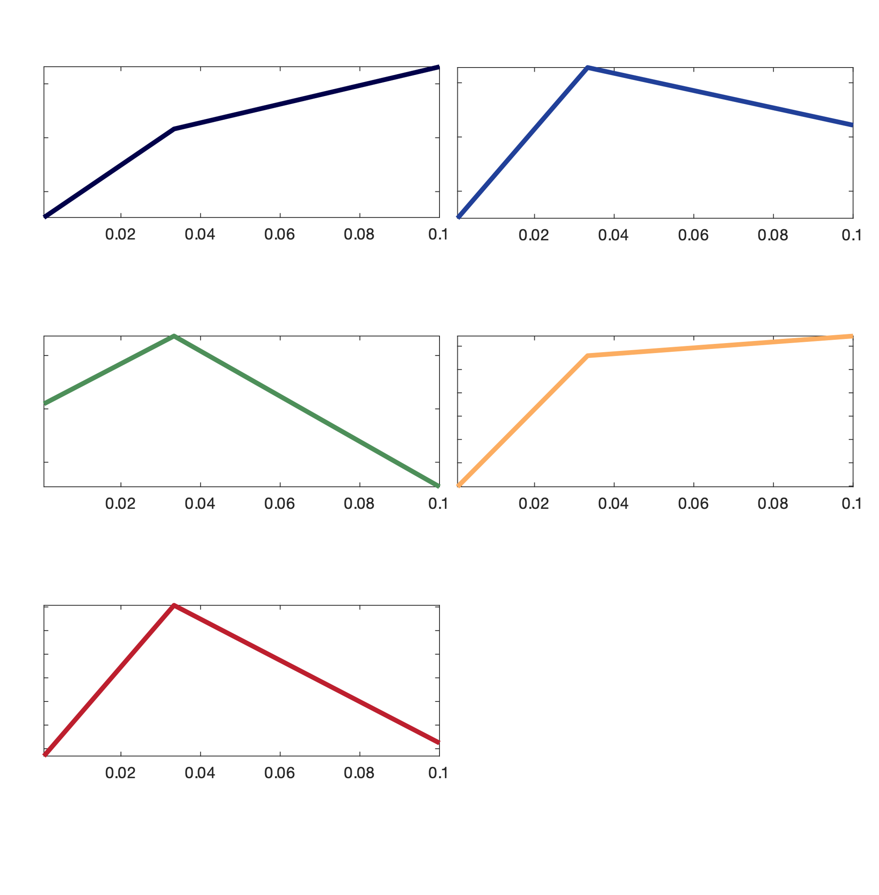
'arp8' | 2.8973971189 | 22.640975778 | 85.827365389 | 4 | 2 | centers for their own clusters
'caf4' | 0.44814318738 | 1.1213817636 | 0.71506378528 | 1 | 4 | -0.73991915158 | 0.081235691273 | 0.6586834603
'caf4' | 3.9557102562 | 46.137191569 | 195.21107626 | 5 | 2 | -0.74953023127 | 0.64061257213 | 0.10891765914
'caf4' | 3.5948370177 | 18.992889558 | 9.7846128103 | 1 | 4 | 0.047210148246 | 0.68231871881 | -0.72952886705
'caf40' | 0.68348550965 | 0.56030878993 | 0.75356461305 | 5 | 5 | -0.80566721371 | 0.31839662708 | 0.48727058663
'caf40' | 0.3543498048 | 0.28178187123 | 0.44258564187 | 4 | 5 | -0.46204830216 | 0.81388214547 | -0.35183384331
'caf40' | 2.2068475088 | 29.637681771 | 72.38243946 | 4 | 2
'cdc73' | 2.0657281647 | 16.550764521 | 89.507202941 | 1 | 2
'cdc73' | 1.6791162399 | 57.756283139 | 79.830223977 | 1 | 4
'cdc73' | 1.7506156684 | 13.870359037 | 60.265350828 | 1 | 2 | centers for FM clusters
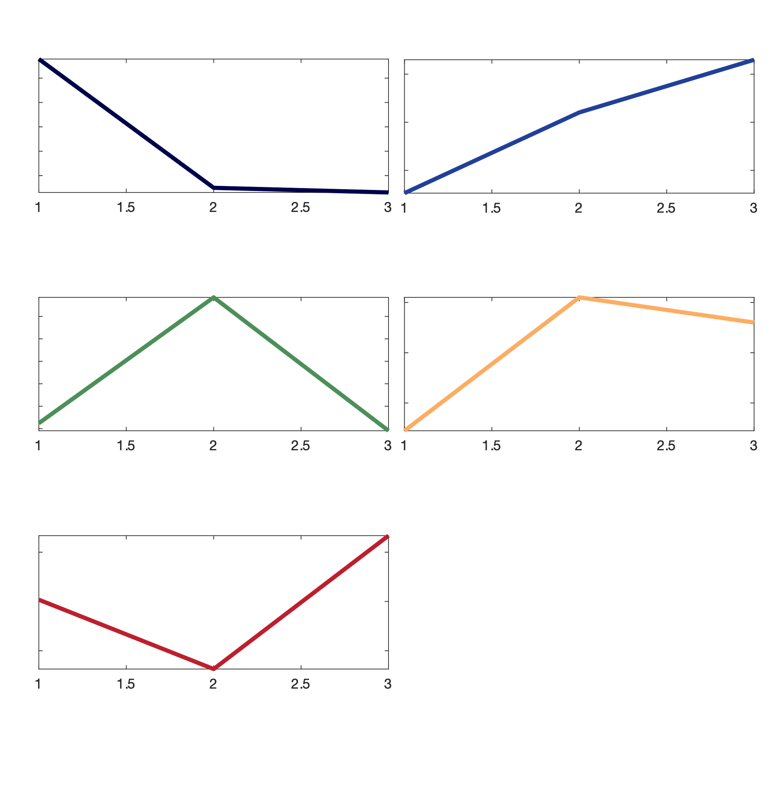
'cdc73' | 4.2909213186 | 37.734863411 | 114.92131396 | 1 | 2 | 0.75634142188 | -0.3 | -0.33809981868
'chz1' | 2.7842379041 | 24.809805918 | 20.015378522 | 2 | 4 | -0.73651082096 | 0.1024050132 | 0.65
'chz1' | 0.93051126497 | 0.87867233166 | 1.7068925204 | 1 | 5 | -0.35148468522 | 0.76998652899 | -0.41850184377
'chz1' | 3.1769003451 | 17.659628925 | 31.847293906 | 1 | 2 | -0.77551236393 | 0.55083560176 | 0.3
'ecm5' | 0.25276076416 | 0.21036879158 | 0.29046386527 | 1 | 5 | 0.017876856624 | -0.68562500539 | 0.66774814877
'ecm5' | 1.6765680894 | 7.4353984243 | 7.2923868869 | 1 | 4
'ecm5' | 3.2235309931 | 20.67824075 | 88.947261043 | 4 | 2
'gcn5' | 0.60815773086 | 0.47335235496 | 0.72315078481 | 2 | 5
'gcn5' | 4.1001257357 | 15.685198095 | 192.86898208 | 4 | 2
'gcn5' | 1.8854850271 | 25.319011809 | 28.700950885 | 2 | 4
'gcn5' | 0.78821435276 | 0.8635941254 | 1.0174508865 | 4 | 2
'hda3' | 0.26963119388 | 0.33456125255 | 0.45592037877 | 1 | 2
'hda3' | 1.1434009618 | 12.38203225 | 58.47599314 | 1 | 2
'hda3' | 1.6972996855 | 0.80253518539 | 0.2574132173 | 1 | 1
'hda3' | 0.3914680733 | 0.30585153028 | 0.48050666744 | 1 | 5
'hir2' | 2.6824823915 | 6.1122771818 | 95.848882742 | 1 | 2
'hir2' | 1.9138497624 | 21.331042521 | 146.71800849 | 1 | 2
'hir2' | 2.2816154035 | 11.364717181 | 31.644391109 | 1 | 2
'htz1' | 2.625734906 | 27.475772671 | 63.368006364 | 1 | 2
'htz1' | 5.8381644807 | 75.486846228 | 159.03467245 | 1 | 2
'htz1' | 1.1871080018 | 5.2698982143 | 3.7204938818 | 1 | 4
'ies4' | 2.0621114057 | 49.122463582 | 70.697440415 | 3 | 4
'ies4' | 1.5529365063 | 13.947430997 | 52.42625028 | 3 | 2
'ino80' | 3.5928288189 | 26.862652255 | 131.84127591 | 1 | 2
'ino80' | 2.8731927113 | 24.2003162 | 68.045513914 | 1 | 2
'ino80' | 0.9194995476 | 0.83738913031 | 0.96884113469 | 1 | 5
'ino80' | 3.7598453664 | 26.54139623 | 33.011734467 | 1 | 4
'JY145' | 0.40406035379 | 0.70206901353 | 0.36959600488 | 4 | 3
'JY145' | 2.5126498424 | 39.781665693 | 31.887489255 | 1 | 4
'JY145' | 3.2353822141 | 21.972832332 | 93.2124661 | 4 | 2
'JY30' | 3.9235483775 | 219.81610575 | 187.39341477 | 1 | 4
'JY30' | 3.0992051926 | 35.776458453 | 10.302604842 | 1 | 4
'JY30' | 1.2626745483 | 0.6982538706 | 1.0463762904 | 1 | 1
'JY30' | 0.26706919196 | 0.23240196809 | 0.43514258659 | 1 | 5
'JY30' | 1.4180857922 | 15.737929239 | 67.54967257 | 1 | 2
'JY30' | 1.8880661566 | 3.1110689922 | 1.0250790053 | 1 | 3
'JY30' | 0.33589726972 | 0.34179938333 | 0.56518992379 | 1 | 5
'med22' | 2.0741012205 | 14.676769324 | 18.419049345 | 1 | 4
'med22' | 1.8536051856 | 16.565126155 | 88.879830659 | 1 | 2
'med22' | 1.4032925703 | 11.441178592 | 26.618984194 | 1 | 2
'rxt2' | 2.5698793914 | 30.30423138 | 106.38275956 | 4 | 2
'rxt2' | 6.469492601 | 73.859347934 | 156.35413347 | 1 | 2
'rxt2' | 1.2046139803 | 3.1914393615 | 1.2861011361 | 1 | 3
'rxt3' | 1.7909891284 | 25.533317672 | 79.766113439 | 4 | 2
'rxt3' | 1.3415032464 | 11.825513734 | 45.569664058 | 4 | 2
'rxt3' | 5.1545693294 | 52.489660064 | 140.98036047 | 4 | 2
'sas2' | 1.202949334 | 0.68613282021 | 0.83386945158 | 2 | 1
'sas2' | 0.32680376278 | 0.31235746415 | 0.42436659813 | 5 | 5
'sas2' | 2.9892070466 | 24.63722754 | 95.550613243 | 4 | 2
'swc3' | 0.65574534055 | 0.63451627772 | 0.85760886625 | 4 | 5
'swc3' | 3.0176692402 | 31.902668194 | 52.915434177 | 4 | 2
'swc3' | 0.91218617286 | 0.60407993675 | 1.5577747992 | 1 | 5
'swc7' | 0.27739739765 | 0.27919860204 | 0.39561146061 | 1 | 5
'swc7' | 1.3572488043 | 16.460538173 | 87.0863077 | 1 | 2
'swc7' | 0.42277342342 | 0.34150786722 | 0.53528994241 | 1 | 5
'swc7' | 2.0924292479 | 20.371124137 | 139.34826192 | 1 | 2
'swd3' | 1.5770893882 | 12.684143114 | 45.592353806 | 1 | 2
'swd3' | 2.6192976252 | 20.292018314 | 64.805366895 | 1 | 2
'swd3' | 6.0533463969 | 72.44925923 | 146.33750128 | 1 | 2
'swd3' | 1.0961188157 | 8.5299200388 | 15.125576661 | 4 | 2
'taf1' | 1.4075903077 | 17.105972249 | 73.201738392 | 4 | 2
'taf1' | 4.1665244566 | 67.468075021 | 126.23895379 | 1 | 2
'taf1' | 2.4863616902 | 24.629596444 | 48.899652678 | 4 | 2
'taf9' | 0.72703140777 | 0.48430177984 | 0.57707366484 | 1 | 1
'taf9' | 2.8463366473 | 10.292326858 | 62.447683584 | 1 | 2
'taf9' | 1.7175671947 | 12.53906164 | 44.381926715 | 3 | 2
'taf9' | 3.1246843982 | 21.628737958 | 90.340291225 | 3 | 2

